Introduction
 | Financial Impacts of Climate Form (FICF) v5
 | This form facilitates qualitative disclosures of potential climate change-related impacts on financial statements, plus the financial impacts if action is taken to mitigate those risks and capture associated opportunities.

 | TCFD Recommendation
 | The Task Force on Climate-Related Financial Disclosures (TCFD) recommends disclosure of the financial impacts of climate-related risks and opportunities on an organization. That is, in order to make better informed financial decisions, investors, lenders, and insurance underwriters need to understand how climate-related risks and opportunities are likely to materially impact an organization’s future financial position as reflected in its income statement, cash flow statement, and balance sheet, as outlined in Figure 1 in its report.1

 |  | 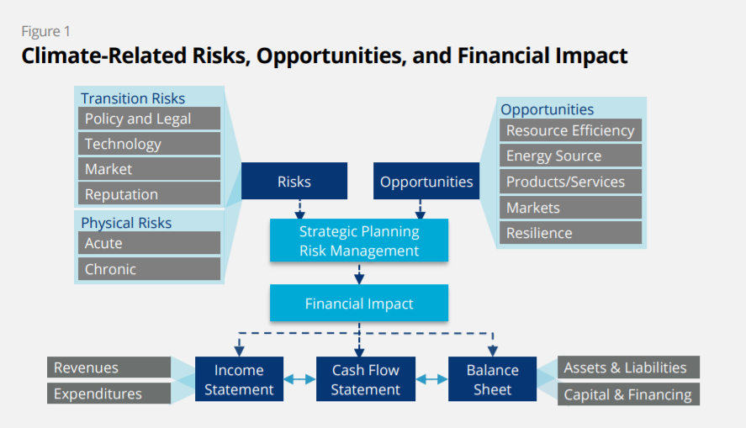

 | Project 50x30
 | The opportunities in the above figure will only be realized if companies take action to mitigate the identified risks. To that end, the 2021 TCFD fourth status report requests disclosure of companies’ plans to transition to a net-zero economy.2 That is, companies are asked to disclose plans to take action to cut greenhouse gas (GHG) emissions.3 Project 50x30 (50% by 2030) would enable the company to mitigate climate-related financial risks and capture financial opportunities by working toward a net-zero goal. This kind of project is appropriate for all companies, regardless of sector. This form estimates how climate-related risks and opportunities are likely to impact an organization’s future financial statements, with and without a Project 50x30.

 | Predicting the unpredictable
 | The challenge for businesses is the uncertainty that surrounds the potential impacts of climate change. Factors that contribute to this uncertainty include: long term time horizons; unknown scale and timing of impacts; lack of clarity regarding future public polices and regulatory frameworks; and shifting customer preferences across market segments. On the other hand, failure to address this uncertainty may leave the organization vulnerable to reputational damage, unable to adapt to changing circumstances, unable to meet increased costs, or unable to capitalize on commercial opportunities to invest in products and services which respond to changing consumer demands. The Accounting for Sustainability (A4S) CFO Leadership Network's "Essential Guide to Managing Future Uncertainty" has practical advice on how management can identify and assess the impacts of risks and emerging issues arising from macro sustainability trends like climate change.4 A benefit of this tool is the management discussions and long-term strategic thinking that it triggers.

 | Mapping FICF to TCFD-recommended disclosures
 | The TCFD recommends disclosures of how climate-related factors are taken into account in the organization's governance, strategy, risk management, and metrics. See the Appendix A - Mapping to TCFD for how and where FICF provides the decision-useful information requested for each recommended disclosure.

 | Financial Impacts of Climate Calculator (FICC) vs Financial Impacts of Climate Form (FICF)
 | Two free, open-source tools support TCFD-recommended disclosures of potential climate change-related impacts on financial statements. Both are available from the Financial Impacts of Climate Estimators webpage, at the link below. The Financial Impacts of Climate Form (FICF) ‒ this tool ‒ provides qualitative disclosures. It assesses the financial impacts as Low / Medium / High, and time horizons as Short-term / Medium-term / Long-term. The company defines the meanings of those terms in dollar ranges and time horizons, respectively. The Financial Impacts of Climate Calculator (FICC) provides quantified disclosures. It describes the financial impacts in dollar amounts and the time horizons in specific years. Because it uses quantified amounts, it is able to generate graphs of cash flow and profit impacts. It also calculates the ROI / cost-benefit analysis of Project 50×30 to support the company’s decision to undertake it.

 | Financial Impacts of Climate Estimators

 | Legend
 | Yellow fields are for user input. Starting examples illustrate how the calculation formulas work. Overwrite them with real company data.
 | Light purple fields are auto-calculated based on the content of yellow fields. Any user entries in these cells will overwrite their formulas.
 | White fields are used for instructions, explanations, or labels for adjacent fields
 | Light blue fields with a "i" have additional explanations and information for adjacent fields. Mouse-over the "i" to reveal the guidance.

1 | "Recommendations of the Task Force on Climate-Related Financial Disclosure," TCFD Final Report, June 2017.
2 | "TCFD: 2021 Status Report," TCFD fourth status report, September 2021.
3 | "The Net-Zero Standard," Science Based Targets, November 2021.
4 | "Essential Guide to Managing Future Uncertainty," Accounting for Sustainability (A4S) CFO Leadership Network, April 2016.
5 | Appendix 1: Climate-Related Risks, Opportunities and Financial Impacts in "Implementing the Recommendations of the Task Force on Climate-related Financial Disclosures," Updates to the 2017 Annex, TCFD, October 2021.
6 | "Sustainability ROI Workbook," Sustainability Advantage, 2017.

 | Terms of Use This tool was developed by Bob Willard / Sustainability Advantage. It is freely available from the sustainabilityadvantage.com website. The tool is published under a Creative Commons-Attribution ShareAlike 4.0 International license. That is, users are free to share (copy and redistribute the material in any medium or format) and adapt (remix, transform, and build upon) the material for any purpose, even commercially, with appropriate attribution. Use of the tool is at the user's own risk. Sustainability Advantage shall accept no liability in respect of any business, lending, or investment decisions which users choose to base in whole or in part on the use of this tool or its output. Feedback: The tool is being continuously improved. Your suggestions are welcome. Please send your ideas to the email below. Thanks.
 | bobwillard@sustainabilityadvantage.com

Appendix A - Mapping to TCFD
Appendix A - Mapping FICF to TCFD Disclosures

Recommended TCFD Disclosures
The October 2021 TCFD guidance on implementing TCFD recommendations includes this figure.1
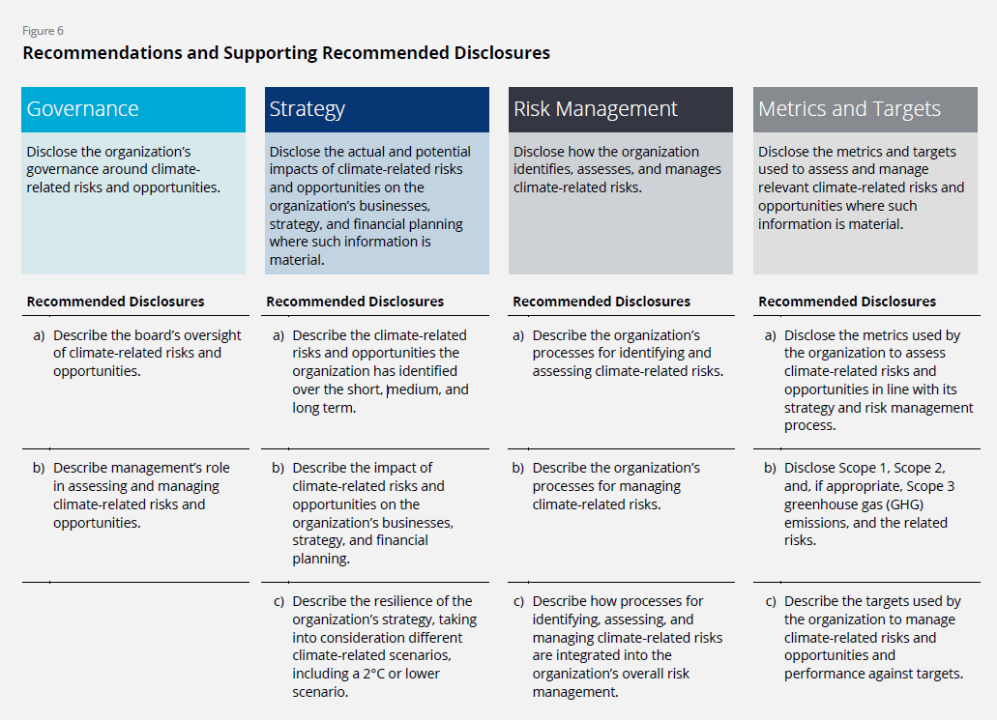

Mapping FICF to TCFD guidance
The October 2021 report provides detailed guidance for all sectors on what to include in each of the 11 disclosures shown in the above figure.1 The table below shows how and where FICF provides the information requested for each disclosure.
TCFD Disclosure Guidance | How and where FICF provides the disclosure
Governance
a) Describe the board’s oversight of climate-related risks and opportunities. • Processes and frequency by which the board and/or board committees (e.g., audit, risk, or other committees) are informed about climate-related issues. • Whether the board and/or board committees consider climate-related issues when reviewing and guiding strategy, major plans of action, risk management policies, annual budgets, and business plans as well as setting the organization’s performance objectives, monitoring implementation and performance, and overseeing major capital expenditures, acquisitions, and divestitures. • How the board monitors and oversees progress against goals and targets for addressing climate-related issues. | These three disclosures about board oversight are explicitly requested in Appendix B - Governance.
b) Describe management’s role in assessing and managing climate-related risks and opportunities. • Whether the organization has assigned climate-related responsibilities to management-level positions or committees; and, if so, whether such management positions or committees report to the board or a committee of the board and whether those responsibilities include assessing and/or managing climate-related issues. • A description of the associated organizational structure(s). • Processes by which management is informed about climate-related issues. • How management (through specific positions and/or management committees) monitors climate-related issues. | These four disclosures about management's role are explicitly requested in Appendix B - Governance.
Strategy
a) Describe the climate-related risks and opportunities the organization has identified over the short, medium, and long term. • A description of what they consider to be the relevant short-, medium-, and long-term time horizons, taking into consideration the useful life of the organization’s assets or infrastructure and the fact that climate-related issues often manifest themselves over the medium and longer terms. • A description of the specific climate-related issues potentially arising in each time horizon (short, medium, and long term) that could have a material financial impact on the organization. • A description of the process(es) used to determine which risks and opportunities could have a material financial impact on the organization. | • FICM facilitates the description of what the organization means by "short-, medium- and long-term hozizons." . • The impact (Low / Medium / High) of each climate-related issue is described in the Revenue Impacts, Expense Impacts and Balance Sheet Impacts pages, both in the line item for each issue and in its associated comment. • The Notes area can be used to describe the process(es) used to determine which risks and opportunities could have a material financial impact on the organization..
b) Describe the impact of climate-related risks and opportunities on the organization’s businesses, strategy, and financial planning, in the following areas. • Products and services • Supply chain and/or value chain • Adaptation and mitigation activities • Investment in research and development • Operations (including types of operations and location of facilities) • Acquisitions or divestments • Access to capital | These seven areas are included in the description of project in the Project 50x30 page. Their financial impact on climate-related risks and opportunities is described in the Balance Sheet Impacts, Cash Flow Impacts and Income Statement Impacts pages.
• Organizations should describe how climate-related issues serve as an input to their financial planning process, the time period(s) used, and how these risks and opportunities are prioritized. Organizations’ disclosures should reflect a holistic picture of the interdependencies among the factors that affect their ability to create value over time. • Organizations should describe the impact of climate-related issues on their financial performance (e.g., revenues, costs) and financial position (e.g., assets, liabilities).If climate-related scenarios were used to inform the organization’s strategy and financial planning, such scenarios should be described. • Organizations that have made GHG emissions reduction commitments, operate in jurisdictions that have made such commitments, or have agreed to meet investor expectations regarding GHG emissions reductions should describe their plans for transitioning to a low-carbon economy, which could include GHG emissions targets and specific activities intended to reduce GHG emissions in their operations and value chain or to otherwise support the transition. | • The financial impacts of interdependent climate-related issues that are described in the Revenue Impacts, Expense Impacts and Balance Sheet Impacts pages are shown in the Balance Sheet Impacts, Cash Flow Impacts and Income Statement Impacts pages, witheir associated timeframes. • The impact of climate-related issues is described in the Revenue Impacts, Expense Impacts and Balance Sheet Impacts pages. • The description of project in the Project 50x30 page represents the organization's plan for reducing GHG emissions and transitioning to a low-carbon, net-zero economy.
c) Describe the resilience of the organization’s strategy, taking into consideration different climate-related scenarios, including a 2°C or lower scenario, discussing: • Where they believe their strategies may be affected by climate-related risks and opportunities. • How their strategies might change to address such potential risks and opportunities. • The potential impact of climate-related issues on financial performance (e.g., revenues, costs) and financial position (e.g., assets, liabilities). • The climate-related scenarios and associated time horizon(s) considered. | • The form identifies plans and strategies to address climate-related risks and opportunities, as shown in the description of the project in the Project 50x30 page. • The potential relative impact of climate-related issues on financial performance is described on the Balance Sheet Impacts, Cash Flow Impacts and Income Statement Impacts pages, by timeframe. • The form uses a 2°C or lower scenario, and user-defined short-, medium- and long-term horizons.
Risk Management
a) Describe the organization’s processes for identifying and assessing climate-related risks. Organizations should describe their risk management processes for identifying and assessing climate-related risks. An important aspect of this description is how organizations determine the relative significance of climate-related risks in relation to other risks. Organizations should describe whether they consider existing and emerging regulatory requirements related to climate change (e.g., limits on emissions) as well as other relevant factors considered. Organizations should also consider disclosing the following: • Processes for assessing the potential size and scope of identified climate-related risks. • Definitions of risk terminology used or references to existing risk classification frameworks used. | • The form includes a superset of potential climate-related risks, as suggested by the TCFD and other sources. The risks are identified in the Revenue Impacts, Expense Impacts and Balance Sheet Impacts pages, as explained Backup Notes associated with each risk. • The risk arising from existing and emerging regulatory requirements related to climate change are assessed in the Expense Impacts page. • The form provides a Notes area for these disclosures.
...

